County Production
HIGH RECOVERABLE PRODUCTION
BY COUNTY
(See Chart 5)
FCR |  | FRACKING CANDIDATE RATING (Proposed Likelihood of Need for Fracking Services)
COLOUR | SAMPLE | RATINGS | Production |  | Econ Rec | Reserves | Year 1 | Year2 | Year3 | Mid-Decline |  | FCR Pipeline | FCR Econ/Tank | FCR Econ/Product | Challenge for Innovative Prospect (Innov ROI)
 |  |  |  |  |  |  |  |  |  |  |  | Known | Known | New
 |  |  |  |  |  |  |  |  |  |  |  | Reliable | Reliable | Untested
 |  |  |  |  |  |  |  |  |  |  |  | $Cost: Very High | $Cost: Mid | $Cost: Mid to Low
LIGHTEST | Oliver | 5 | Lowest |  | Lowest | Lowest | Lowest | Good | Sharp Neg | Leveling Off |  | Removes need for Portable Frak Tanks |  | Lowest Competition | Worst IROI
 | Morton | 4 |  |  |  |  | Low | Good | Sharp Neg | Leveling Off |  |  |  | Lower | ** TARGET **
 | Stark | 3 |  |  |  |  | Mid | Good | Sharp Neg | Leveling Off |  |  |  | Mid
 | Dunn | 2 |  |  |  |  | High | Good | Sharp Neg | Leveling Off |  |  |  | Greater
 | Williams | 1 |  |  |  |  | Highest | Good | Sharp Neg | Leveling Off |  |  | More Competition | Greatest | Best IROI
DARKEST | McKenzie | 0 | Max |  | Max | Max | Max | Good | Sharp Neg | Leveling Off |  |  | More Competition | Greatest | Best IROI
 |  | NORTH TO SOUTH LISTING
 |  | FORMATION WEST |  |  |  |  |  |  | FORMATION EAST
NORTH-LINE |  | County | Gas Plant | Planned | Vol Range | Apparent FCR | Est Actual FCR | BBL | County | Gas Plant | Planned | Vol Range | Apparent FCR | Est Actual FCR | BBL
 |  | Divide | 1 |  | High | 2 |  | 17.70 | Renville | 0 | 0 | Low | 4 | ** TARGET ** | 0.20
 |  | Burke | 2 |  | High | 2 |  | 17.00 | Bottineau | 0 | 0 | Mid | 3 |  | 1.60
 |  | Williams | 3 | 1 | High | 1 |  | 28.90 | McHenry | 0 | 0 | Low | 4 | ** TARGET ** | 0.50
 |  | Mountrail | 2 | 2 | High | 1 |  | 28.90 | Ward | 0 | 0 | Mid | 3 |  | 5.00

MID-LINE
 |  | McKenzie | 5 |  | High | 0 |  | 36.40
 |  | Dunn | 2 | 1 | High | 2 |  | 20.10 | McLean | 0 | 0 | Mid | 4 | ** TARGET ** | 3.60
 |  | Billings | 1.5 | 0.5 | Mid | 4 | ** TARGET ** | 4.90
 |  | Stark |  | 0.5 | Mid | 4 | ** TARGET ** | 3.90 | Mercer | 0 | 0 | Low | 5 |  | 0.10
 |  |  |  |  |  |  |  |  | Oliver | 0 | 0 | Low | 5 |  | 0.01
 |  | GoldenV |  | 0.5 | Low |  |  | 0.09 | Morton | 0 | 0 | Low | 5 |  | 0.08

SOUTH-LINE

 |  | Slope | 1 |  | Low | 5 |  | 0.00 | Grant | 0 | 0 | Low | 5 |  | 0.06
 |  | Other Cty | 1

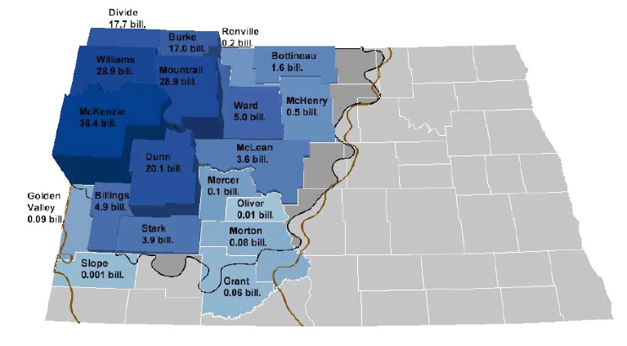
 |  |  |  |  |  |  |  |  |  | Gas Plants |  | Oil Pipeline | Gas Pipeline | Apparent | TEST TARGET
 |  |  |  |  |  |  |  |  |  | Existing | Planned | Y=1, N=0 | Y=1, N=0 | FCR | 1 = Top Choice
 |  |  |  |  |  |  |  |  | Renville | 0 | 0 | 1 (1 Main) | 1 (1 Main + Feed) | 4 | 3
 |  |  |  |  |  |  |  |  | McHenry | 0 | 0 | 1 (1 Main) | 1 (2 Main) | 4 | 2
TARGET _B
 |  |  |  |  |  |  |  |  | McLean | 0 | 0 | 0 | 1 (1 Main + Feed) | 4 | 1
 |  |  |  |  |  |  |  |  | Billings | 1.5 | 0.5 | 1 (2 Main + 1 Feed) | 1 (1 Main + Feed) | 4 | 5
 |  |  |  |  |  |  |  |  | Stark |  | 0.5 | 1 (1 Main) | 1 (1 Main + Feed) | 4 | 4
TARGET _A

Natural Gas Life Vol
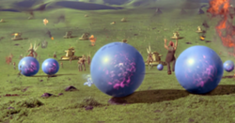
Lift of Natural Gas Balloons |  |  |  |  | BALLOON STORAGE IMAGE
 |  |  |  |  | http://starwars.wikia.com/wiki/Booma
Note: Natural gas in many places is close to pure methane. In others it contains significant amounts of hydrogen or heavier gases such as ethane, CO2 and water vapor. Also this chart does not apply to artificial gas, liquefied petroleum gas, propane, or butane all of which will be heavier than methane.

Spherical balloon sizes:
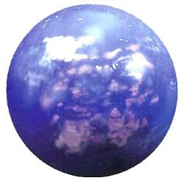
Dia. inches | Vol. Liters | Vol.Liters (Rounded) | Lift/gr | Lift/lbs
1 | 14.83 | 15 | 7.3 | 0.02
2 | 118.62 | 119 | 58 | 0.13
3 | 400.34 | 400 | 195.9 | 0.43
4 | 948.96 | 949 | 464.3 | 1.02
5 | 1853.45 | 1,853 | 906.9 | 2
6 | 3202.76 | 3,203 | 1567.1 | 3.45
7 | 5085.86 | 5,086 | 2488.5 | 5.49
8 | 7591.72 | 7,592 | 3714.7 | 8.19
9 | 10809.3 | 10,809 | 5289 | 11.66
10 | 14827.58 | 14,828 | 7255.2 | 16
11 | 19735.5 | 19,736 | 9656.7 | 21.29
12 | 25622.05 | 25,622 | 12537 | 27.64 | GRADIENTS IMAGE
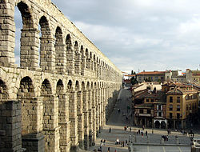
13 | 32576.18 | 32,576 | 15939.6 | 35.14
14 | 40686.87 | 40,687 | 19908.2 | 43.89
15 | 50043.07 | 50,043 | 24486.3 | 53.98
16 | 60733.75 | 60,734 | 29717.2 | 65.52
17 | 72847.88 | 72,848 | 35644.7 | 78.58
18 | 86474.42 | 86,474 | 42312.2 | 93.28
19 | 101702.3 | 101,702 | 49763.3 | 109.71
20 | 118620.6 | 118,621 | 58041.5 | 127.96
21 | 137318.2 | 137,318 | 67190.3 | 148.13
22 | 157884 | 157,884 | 77253.2 | 170.32
23 | 180407.1 | 180,407 | 88273.8 | 194.61
24 | 204976.4 | 204,976 | 100295.7 | 221.12

 | http://www.chem.hawaii.edu/uham/part101.html
 | http://www.metric-conversions.org/volume/cubic-feet-to-liters-table.htm
 | http://www.chem.hawaii.edu/uham/lift.html
 | Standard Temperature and Pressure = 20 degrees C and 760 mm Mercury

 | STP = 760 mm pressure and 20 C

 | Weight of air per liter at STP = 1.20 gr/l
 | Weight of helium per liter at STP = 0.18 gr/l
 | Net lift per liter of helium at STP = 1.03 gr/l

 | A typical balloon should provide from 4 to 5 mm of overpressure and
 | reduce lift to .9935 of these figures.

